pivot
Pivot Tables
Total Earnings and total Paid Calls |  |  |  | Paid And not paid Calls |  |  | Top5 Cons sales revenue |  |  | Total Calls by monthwise |  |  |  | Paid and Not paid fees
Fees Status | Sum of Paid Fees | Sum of Number of phone calls |  | Fees Status | Count of Number of phone calls |  | Consultant | Sum of Paid Fees | Top5 | Month | Sum of Number of phone calls | Month | Sum of Number of phone calls | Fees Status | Count of Fees Status
Not Paid | EGP 0 | 777 |  | Not Paid | 311 |  | Dary | EGP 1,360,000,000 | EGP 1,727,000,000 | Jan | 168 | Jan | 168 | Not Paid | 311
Paid | EGP 15,990,000,000 | 2343 |  | Paid | 926 |  | Grand Total | EGP 1,360,000,000 | EGP 1,638,000,000 | Feb | 164 | Feb | 164 | Paid | 926
Grand Total | EGP 15,990,000,000 | 3120 |  | Grand Total | 1237 |  |  |  | EGP 1,534,000,000 | Mar | 70 | Mar | 70 | Grand Total | 1237
 | EGP 15,990,000,000 | 3120 |  |  | 1237 |  |  |  | EGP 1,360,000,000 | Apr | 66 | Apr | 66
 |  |  |  |  |  |  |  |  | EGP 1,288,000,000 | May | 180 | May | 180
paid fees
 |  |  |  |  |  |  |  |  |  | Jun | 108 | Jun | 108 |  |  | Percentage | X(sin fun) | Y(cos fun)
 |  |  |  | Percentages | X | Y |  |  |  | Jul | 106 | Jul | 106 | Not paid | 311 | 25% | 0.99996049395 | -0.0088887869765
 |  | Not Paid | 311 | 25% | 0.99996049395 | -0.0088887869765 |  |  |  | Aug | 211 | Aug | 211 |  |  | 75% | 0 | 1
 |  |  |  | 75% | 0 | 1 |  |  |  | Sep | 470 | Sep | 470
 |  |  |  |  |  |  |  |  |  | Oct | 715 | Oct | 715
 |  |  |  |  | X | Y |  |  |  | Nov | 539 | Nov | 539 |  |  | Percentage | X(sin fun) | Y(cos fun)
 |  | Paid | 926 | 75% | -0.99996049395 | -0.0088887869765 |  |  |  | Dec | 323 | Dec | 323 | paid | 926 | 75% | -0.99996049395 | -0.0088887869765
 |  |  |  | 25% | 0 | 1 |  |  |  | Grand Total | 3120 |  |  |  |  | 25% | 0 | 1

 |  |  |  |  |  |  |  |  |  |  |  | Average Calls | 260 |  | not paid | 311 | 25% | 75%
 |  |  |  |  |  |  |  |  |  |  |  | minimum calls | 66 |  | paid | 926 | 75% | 25%
 |  |  |  |  |  |  |  |  |  |  |  | maximum calls | 715

Sheet3
Basic Standard Line Chart

Visually Enhanced Line Chart

MONTH WISE SALE CALLS
 | Sum of Number of phone calls
Jan | 168
Feb | 164
Mar | 70
Apr | 66
May | 180
Jun | 108
Jul | 106
Aug | 211
Sep | 470
Oct | 715
Nov | 539
Dec | 323
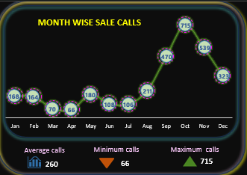

TRANSITION

Visually Enhanced Donut Chart
Basic Standard Donut Chart

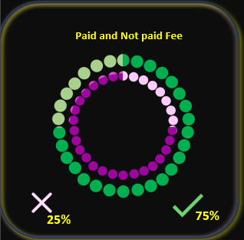
notPaid fees
 | 25%
 | 75%
paid fees
 | 75%
 | 25%
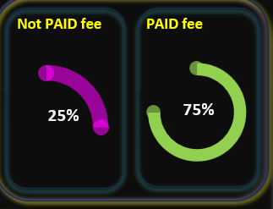
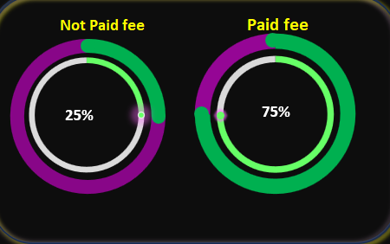

TRANSITION

Variation1
Variation2
Variation3

Dashboard
Not PAID fee
PAID fee
 | Sum of Number of phone calls
Jan | 168
Feb | 164
Mar | 70
Apr | 66
May | 180
Jun | 108
Jul | 106
Aug | 211
Sep | 470
Oct | 715
Nov | 539
Dec | 323
 | Sum of Number of phone calls
Jan | 168
Feb | 164
Mar | 70
Apr | 66
May | 180
Jun | 108
Jul | 106
Aug | 211
Sep | 470
Oct | 715
Nov | 539
Dec | 323
 | 75% | -0.0088887869765
 | 25% | 1
 |  | series
 | 75% | -0.0088887869765
 | 25%
Total
Earnings
EGP 15,99,00,00,000
MONTH WISE SALE CALLS
Not Paid fee | Paid fee
 |  | X
 | 25% | 0.99996049395
 | 75% | 0
 | 25% | -0.0088887869765
 | 75% | 1
 | Donut | Scatter Dot
 | 25% | -0.0088887869765
 | 75%
 |  | X
 | 75% | -0.0088887869765
 | 25% | 1

25%
75%
25%
75%

Total
Calls
3120

Average calls
Minimum calls
Maximum calls

Paid and Not paid Fee
260
66
715
 | 75%
 | 25%
 | 25%
 | 75%

75%
25%

